Hit Ratio
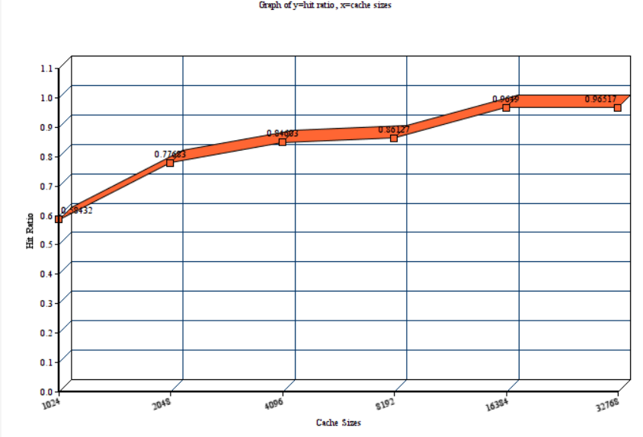

Cache line size =8 , Associativity =1
Cache size | Hit ratio
1024 | 0.58432
2048 | 0.77683
4096 | 0.84603
8192 | 0.86127
16384 | 0.9649
32768 | 0.96517

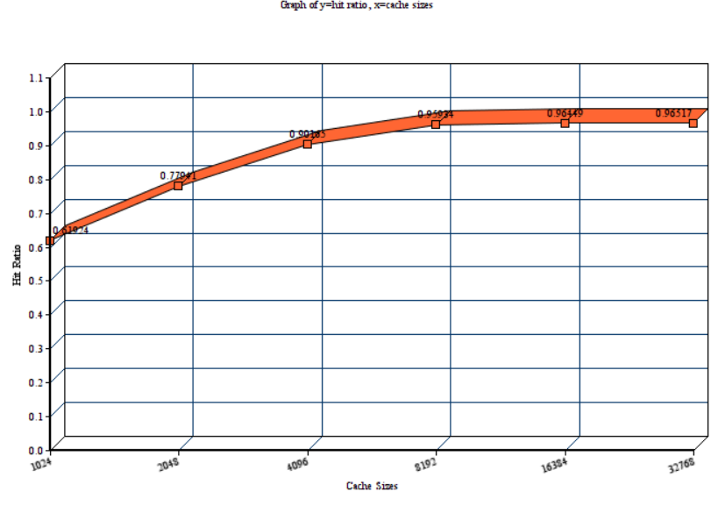

Cache line size =8 , Associativity =2
Cache size | Hit ratio
1024 | 0.61924
2048 | 0.77941
4096 | 0.90165
8192 | 0.95934
16384 | 0.96449
32768 | 0.96517

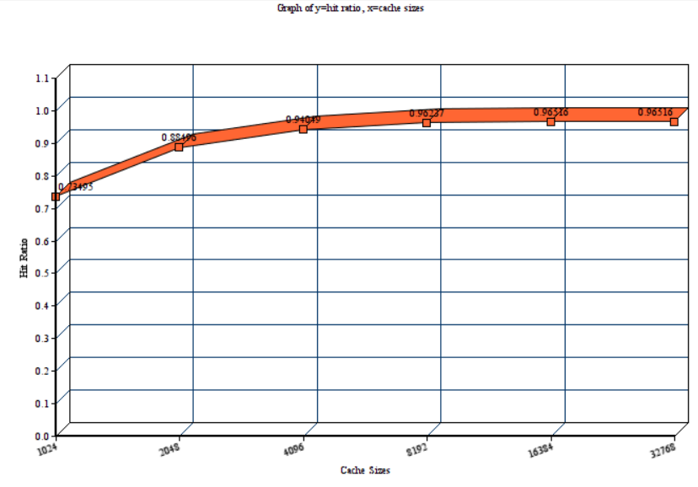

Cache line size =8 , Associativity =4
Cache size | Hit ratio
1024 | 0.73495
2048 | 0.88496
4096 | 0.94049
8192 | 0.96237
16384 | 0.96516
32768 | 0.96516

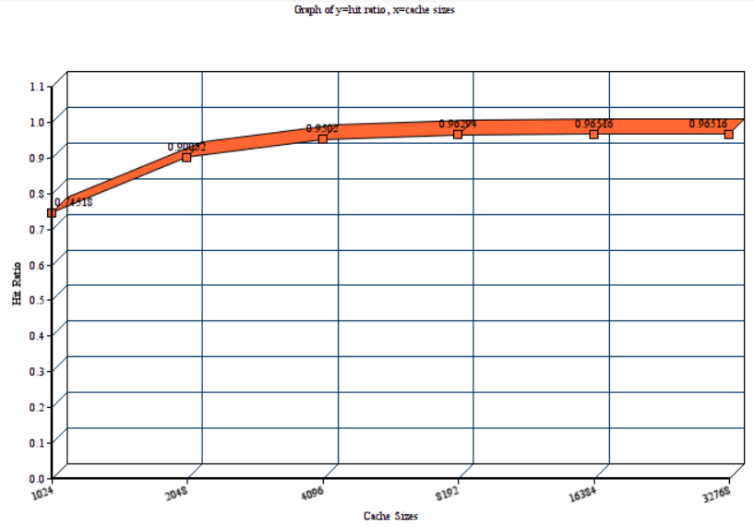

Cache line size =8 , Associativity =8
Cache size | Hit ratio
1024 | 0.74518
2048 | 0.90052
4096 | 0.9502
8192 | 0.96294
16384 | 0.96516
32768 | 0.96516

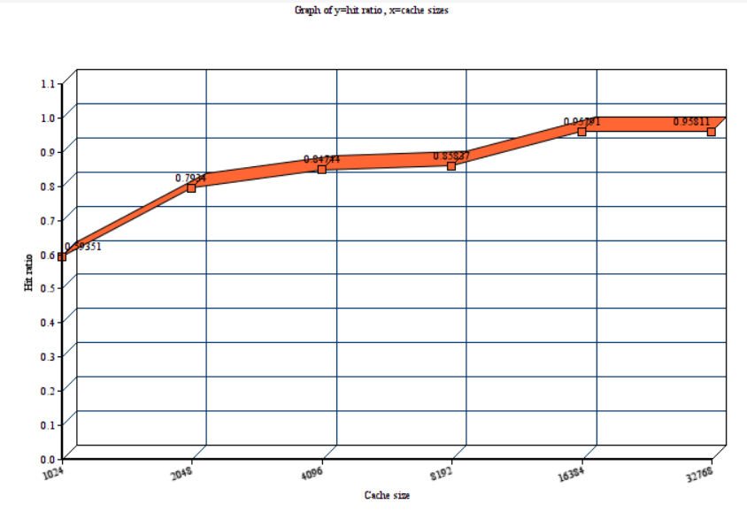

Fixed way associative = 1, Cache line size =2
Cache size | Hit ratio
1024 | 0.59351
2048 | 0.7934
4096 | 0.84744
8192 | 0.85837
16384 | 0.95791
32768 | 0.95811

Fixed way associative = 1, Cache line size =4
Cache size | Hit ratio
1024
2048
4096
8192
16384
32768

Fixed way associative = 1, Cache line size =8
Cache size | Hit ratio
1024
2048
4096
8192
16384
32768

Fixed way associative = 1, Cache line size =16
Cache size | Hit ratio
1024
2048
4096
8192
16384
32768

Fixed way associative = 1, Cache line size =32
Cache size | Hit ratio
1024
2048
4096
8192
16384
32768

Fixed way associative = 1, Cache line size =64
Cache size | Hit ratio
1024
2048
4096
8192
16384
32768

Fixed way associative = 4, Cache line size =2
Cache size | Hit ratio
1024
2048
4096
8192
16384
32768

Fixed way associative = 4, Cache line size =4
Cache size | Hit ratio
1024
2048
4096
8192
16384
32768

Fixed way associative = 4, Cache line size =8
Cache size | Hit ratio
1024 | 0.71877
2048 | 0.88496
4096 | 0.94049
8192 | 0.96237
16384 | 0.96516
32768 | 0.96516

Fixed way associative = 4, Cache line size =16
Cache size | Hit ratio
1024
2048
4096
8192
16384
32768

Fixed way associative = 4, Cache line size =32
Cache size | Hit ratio
1024 | 0.6059
2048 | 0.82699
4096 | 0.94285
8192 | 0.96767
16384 | 0.97306
32768 | 0.97322

Fixed way associative = 4, Cache line size =64
Cache size | Hit ratio
1024 | 0.44431
2048 | 0.72557
4096 | 0.90209
8192 | 0.96938
16384 | 0.97898
32768 | 0.9792

IPC
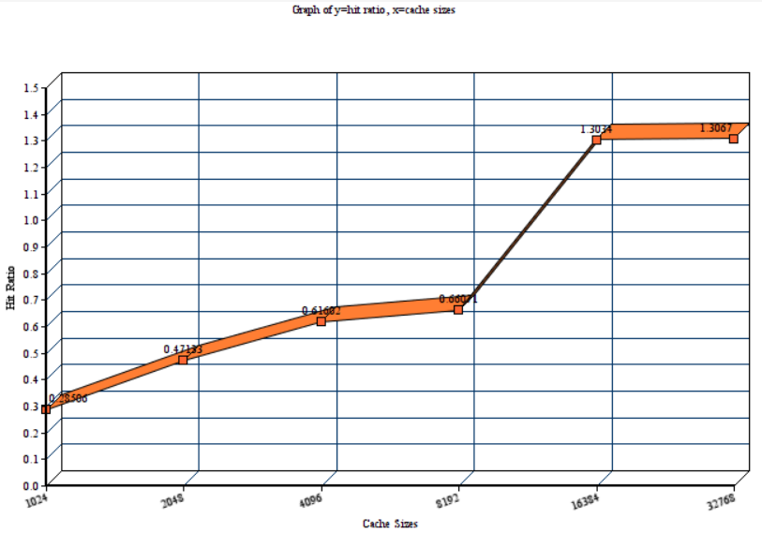

Cache line size =8 , Associativity =1
Cache size | IPC
1024 | 0.28506
2048 | 0.47133
4096 | 0.61602
8192 | 0.66071
16384 | 1.3034
32768 | 1.3067

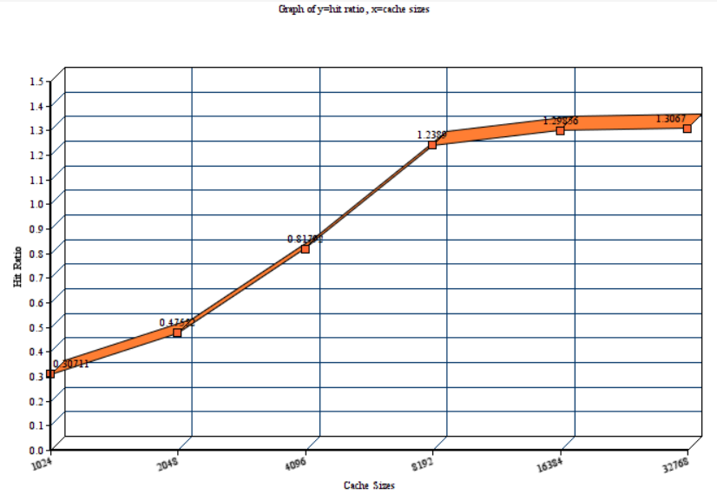

Cache line size =8 , Associativity =2
Cache size
1024 | 0.30711
2048 | 0.47552
4096 | 0.81792
8192 | 1.2389
16384 | 1.29856
32768 | 1.3067

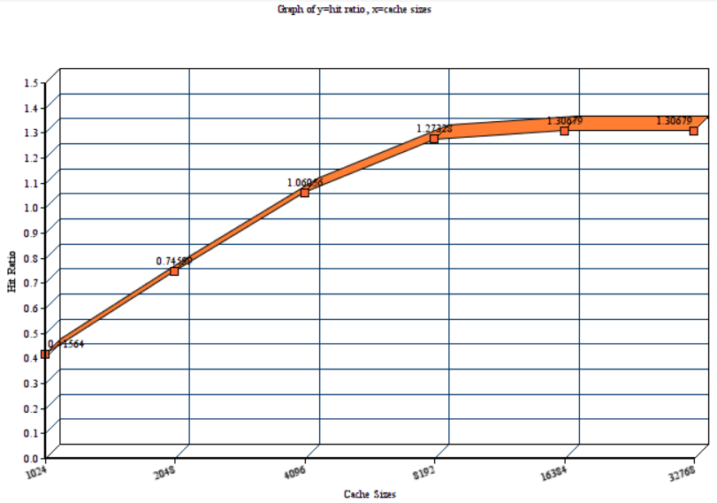

Cache line size =8 , Associativity =4
Cache size
1024 | 0.41564
2048 | 0.74599
4096 | 1.06056
8192 | 1.27328
16384 | 1.30679
32768 | 1.30679

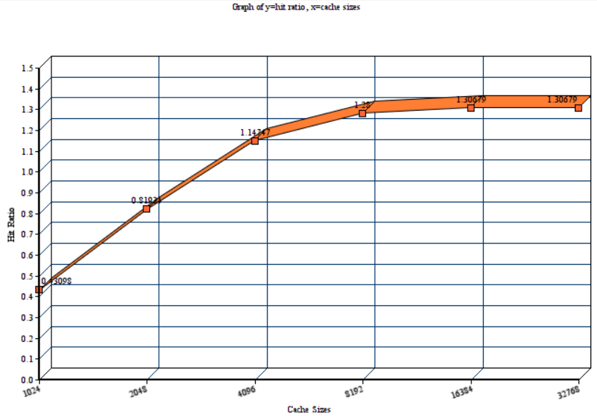

Cache line size =8 , Associativity =8
Cache size
1024 | 0.43098
2048 | 0.81934
4096 | 1.14747
8192 | 1.28
16384 | 1.30679
32768 | 1.30679

Fixed way associative = 1, Cache line size =2
Cache size | IPC
1024
2048
4096
8192
16384
32768

Fixed way associative = 1, Cache line size =4
Cache size | IPC
1024
2048
4096
8192
16384
32768

Fixed way associative = 1, Cache line size =8
Cache size | IPC
1024
2048
4096
8192
16384
32768

Fixed way associative = 1, Cache line size =16
Cache size | IPC
1024
2048
4096
8192
16384
32768

Fixed way associative = 1, Cache line size =32
Cache size | IPC
1024 | 0.60457
2048 | 1.04443
4096 | 1.52905
8192 | 1.72536
16384 | 3.40626
32768 | 3.42891

Fixed way associative = 1, Cache line size =64
Cache size | IPC
1024 | 0.69868
2048 | 1.10817
4096 | 1.7105
8192 | 2.00375
16384 | 4.75861
32768 | 4.81976

Fixed way associative = 4, Cache line size =2
Cache size | IPC
1024 | 0.14226
2048 | 0.23265
4096 | 0.3657
8192 | 0.40821
16384 | 0.41806
32768 | 0.41806

Fixed way associative = 4, Cache line size =4
Cache size | IPC
1024 | 0.27525
2048 | 0.43073
4096 | 0.59842
8192 | 0.76767
16384 | 0.78104
32768 | 0.78104

Fixed way associative = 4, Cache line size =8
Cache size | IPC
1024 | 0.41564
2048 | 0.74599
4096 | 1.06056
8192 | 1.27328
16384 | 1.30679
32768 | 1.30679

Fixed way associative = 4, Cache line size =16
Cache size | IPC
1024 | 0.55849
2048 | 1.0413
4096 | 1.43642
8192 | 1.92053
16384 | 1.97106
32768 | 1.972

Fixed way associative = 4, Cache line size =32
Cache size | IPC
1024 | 0.75599
2048 | 1.39919
4096 | 2.61974
8192 | 3.24604
16384 | 3.42363
32768 | 3.42952

Fixed way associative = 4, Cache line size =64
Cache size | IPC
1024 | 0.87964
2048 | 1.44277
4096 | 2.81632
8192 | 4.35892
16384 | 4.80973
32768 | 4.82097

